Лист1
 | Command type | char | ASCII | Parameter | Device answer | Example of use

 | Set "zero" | 'z' | 0x7A | no | success: ok\n\r error: cmd error\n\r | Printf('z');

 | Get sensor info | 's' | 0x73 | no | Device sends to host coordinate system and ID of the plugged sensor: "30" - 8.1 Gs sensor, "37" - 1.3 kGs sensor. Example: r=0,id=37\n\r | Printf('s');

 | Get sensor coefficients | 'k' | 0x6B | no | success: a1000b1000c1000\n\r coefficient a is equal to 1.000 on X, Y and Z. Measuremets are multiplied on this coefficiens, numbers after 'a' for X axis, after 'b' for Y and 'c' for Z data error: cmd error\n\r | Printf("k");

 | Set sensor coefficients | 'a' 'b' 'c' | 0x61 0x62 0x63 | the coefficient: a1571 = 1.571 for X axis, etc. for Y and Z | sucess: a=1000\n\r error: cmd error\n\r or err p1/2/3 \n\r | Printf( "a1000b1023c1000")

 | Set sensor coordinate system | 'r' | 0x72 | '0' : r0 pic '1' : r1 pic '2' : r2 pic | sucess: r=0\n\r error: cmd error\n\r or err p1/2/3 \n\r | Printf("r0");
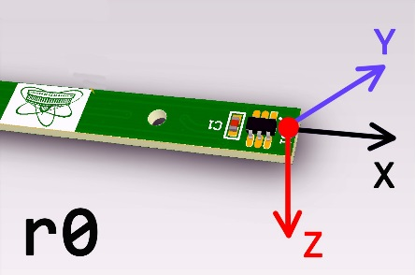
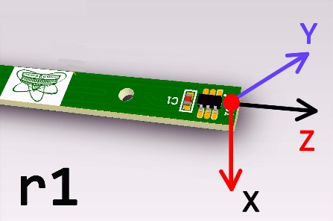
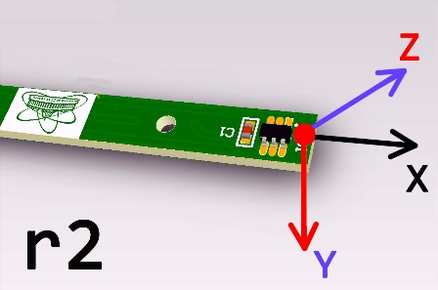

* | By default the device continuously sends measuded data in format: x-0626t\n y02006t\n z01018t\n
* | For 8.1 Gs need to divide measured data to 100
* | If measurements has positive sign, the first char after axis word is '0', if negative = '-'

